Question 1
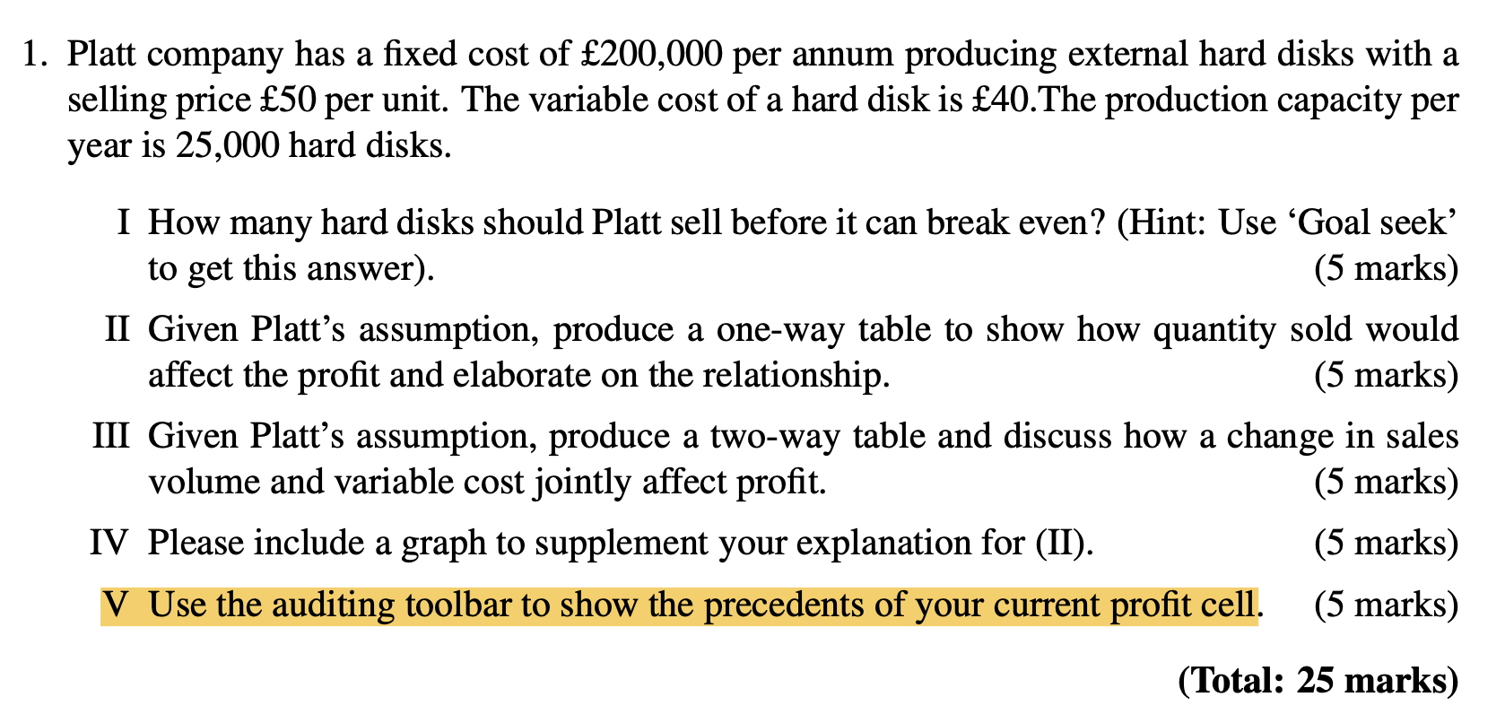
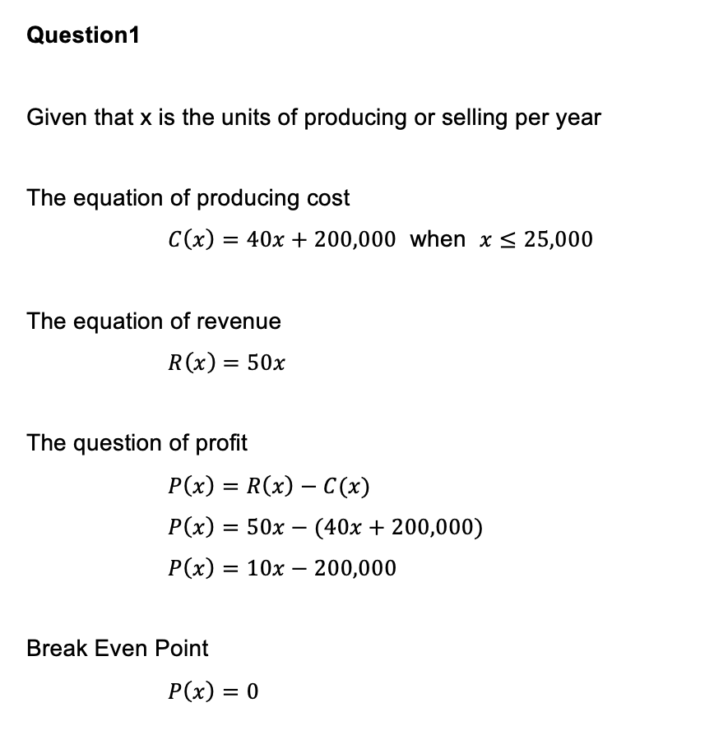

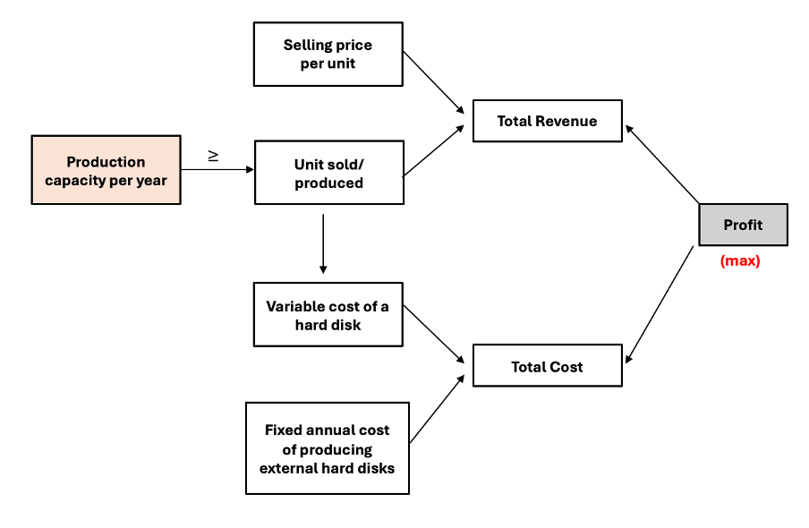

Profit Analysis
External hard disks selling project of Platt company |  | *** Maximum Profit (Tool: Excel Solver function)

Inputs |  |  |  | Question 2 |  |  | Question 3
Cost of producing external hard disks |  |  |  | One way table to show how quantity sold would affect the profit |  |  | Two-way table to show how a change in sales volume and variable cost jointly affect profit.
Annum fixed cost to producing hard disks | £200,000.00 |  |  |  |  |  | Data table of profit as a function of sold quantity (along side) and variable cost of production (along top)
Variable cost of a hard disk | £40.00 |  |  | Quantity of sold | £50,000.00
The Relationship of Quantity of Sold and Profit
 |  |  |  | 10,500 | -95,000 |  | £50,000.00 | £- | £5 | £10 | £15 | £20 | £25 | £30 | £35 | £40 | £45 | £50 | £55 | £60
Decided variable |  |  | The production capacity per year | 11,000 | -90,000 |  | 16,500 | 625,000 | 542,500 | 460,000 | 377,500 | 295,000 | 212,500 | 130,000 | 47,500 | -35,000 | -117,500 | -200,000 | -282,500 | -365,000
Unit of production/selling | 25,000 |  | 25,000 | 11,500 | -85,000 |  | 17,000 | 650,000 | 565,000 | 480,000 | 395,000 | 310,000 | 225,000 | 140,000 | 55,000 | -30,000 | -115,000 | -200,000 | -285,000 | -370,000
 |  |  |  | 12,000 | -80,000 |  | 17,500 | 675,000 | 587,500 | 500,000 | 412,500 | 325,000 | 237,500 | 150,000 | 62,500 | -25,000 | -112,500 | -200,000 | -287,500 | -375,000
Profit model |  |  |  | 12,500 | -75,000 |  | 18,000 | 700,000 | 610,000 | 520,000 | 430,000 | 340,000 | 250,000 | 160,000 | 70,000 | -20,000 | -110,000 | -200,000 | -290,000 | -380,000
Break even point
Selling price | £50.00 |  |  | 13,000 | -70,000 |  | 18,500 | 725,000 | 632,500 | 540,000 | 447,500 | 355,000 | 262,500 | 170,000 | 77,500 | -15,000 | -107,500 | -200,000 | -292,500 | -385,000
Total Revenue | £1,250,000.00 |  |  | 13,500 | -65,000 |  | 19,000 | 750,000 | 655,000 | 560,000 | 465,000 | 370,000 | 275,000 | 180,000 | 85,000 | -10,000 | -105,000 | -200,000 | -295,000 | -390,000
Total cost of production | £1,200,000.00 |  |  | 14,000 | -60,000 |  | 19,500 | 775,000 | 677,500 | 580,000 | 482,500 | 385,000 | 287,500 | 190,000 | 92,500 | -5,000 | -102,500 | -200,000 | -297,500 | -395,000
Total Profit | £50,000.00 |  |  | 14,500 | -55,000 |  | 20,000 | 800,000 | 700,000 | 600,000 | 500,000 | 400,000 | 300,000 | 200,000 | 100,000 | 0 | -100,000 | -200,000 | -300,000 | -400,000
 |  |  |  | 15,000 | -50,000 |  | 20,500 | 825,000 | 722,500 | 620,000 | 517,500 | 415,000 | 312,500 | 210,000 | 107,500 | 5,000 | -97,500 | -200,000 | -302,500 | -405,000
 |  |  |  | 15,500 | -45,000 |  | 21,000 | 850,000 | 745,000 | 640,000 | 535,000 | 430,000 | 325,000 | 220,000 | 115,000 | 10,000 | -95,000 | -200,000 | -305,000 | -410,000
 |  |  |  | 16,000 | -40,000 |  | 21,500 | 875,000 | 767,500 | 660,000 | 552,500 | 445,000 | 337,500 | 230,000 | 122,500 | 15,000 | -92,500 | -200,000 | -307,500 | -415,000
External hard disks selling project of Platt company |  | *** Break Even (Tool: What-if(Goal Seek function)) |  | 16,500 | -35,000 |  | 22,000 | 900,000 | 790,000 | 680,000 | 570,000 | 460,000 | 350,000 | 240,000 | 130,000 | 20,000 | -90,000 | -200,000 | -310,000 | -420,000
 |  |  |  | 17,000 | -30,000 |  | 22,500 | 925,000 | 812,500 | 700,000 | 587,500 | 475,000 | 362,500 | 250,000 | 137,500 | 25,000 | -87,500 | -200,000 | -312,500 | -425,000
Inputs |  |  |  | 17,500 | -25,000 |  | 23,000 | 950,000 | 835,000 | 720,000 | 605,000 | 490,000 | 375,000 | 260,000 | 145,000 | 30,000 | -85,000 | -200,000 | -315,000 | -430,000
Cost of producing external hard disks |  |  |  | 18,000 | -20,000 |  | 23,500 | 975,000 | 857,500 | 740,000 | 622,500 | 505,000 | 387,500 | 270,000 | 152,500 | 35,000 | -82,500 | -200,000 | -317,500 | -435,000
Annum fixed cost to producing hard disks | £200,000.00 |  |  | 18,500 | -15,000 |  | 24,000 | 1,000,000 | 880,000 | 760,000 | 640,000 | 520,000 | 400,000 | 280,000 | 160,000 | 40,000 | -80,000 | -200,000 | -320,000 | -440,000
Variable cost of a hard disk | £40.00 |  |  | 19,000 | -10,000 |  | 24,500 | 1,025,000 | 902,500 | 780,000 | 657,500 | 535,000 | 412,500 | 290,000 | 167,500 | 45,000 | -77,500 | -200,000 | -322,500 | -445,000
 |  |  |  | 19,500 | -5,000 |  | 25,000 | 1,050,000 | 925,000 | 800,000 | 675,000 | 550,000 | 425,000 | 300,000 | 175,000 | 50,000 | -75,000 | -200,000 | -325,000 | -450,000
Decided variable |  |  | The production capacity per year | 20,000 | 0 | <<< Break Even Point
Unit of production/selling | 20,000 |  | 25,000 | 20,500 | 5,000
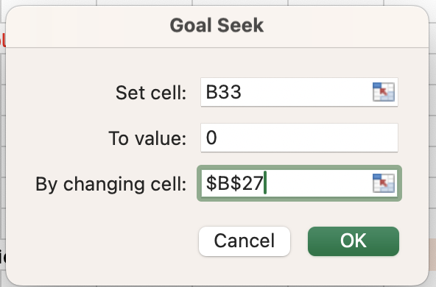
 |  |  |  | 21,000 | 10,000
Profit model |  |  |  | 21,500 | 15,000
Selling price | £50.00 |  |  | 22,000 | 20,000
Total Revenue | £1,000,000.00 |  |  | 22,500 | 25,000
Total cost of production | £1,000,000.00 |  |  | 23,000 | 30,000
Total Profit | £- |  |  | 23,500 | 35,000
 |  |  |  | 24,000 | 40,000
 |  |  |  | 24,500 | 45,000
 |  |  |  | 25,000 | 50,000

